CONTROL

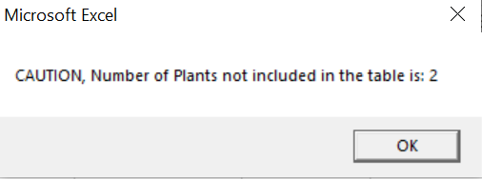
Most of the waiting time in the macro is waiting time for the transaction “YMSURP1663”.
Therefore, keep as less things as possible open while running the macro. It will reduce the waiting time considerably, as well as a better internet connection. It should work much faster in the office.
Do not change the names of the sheets ("MARA", "Monthly DATA", "RESULT") without modifying the code. I tried to use the codename instead of the sheet name but I was having problems so it cannot be done.
Run Macro

Outcome one: No new plants found with stock
Outcome two: "X" new plants found with stock

